HRV
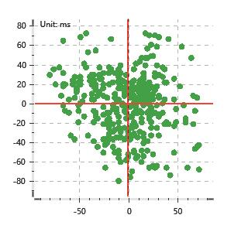
Data Info
 | Recording | 正式实验8
 | Subject | 姬生文
 | Create Time | 2023-11-23 09:59:39.872
 | Data Name | Chest1 ECG
 | Data Type | ECG
 | Sample Rate | 512
 | Segment | 后静息态
 | Start Time | 1:00:59
 | End Time | 1:05:59
 | Duration | 0:05:00

Replay Chart
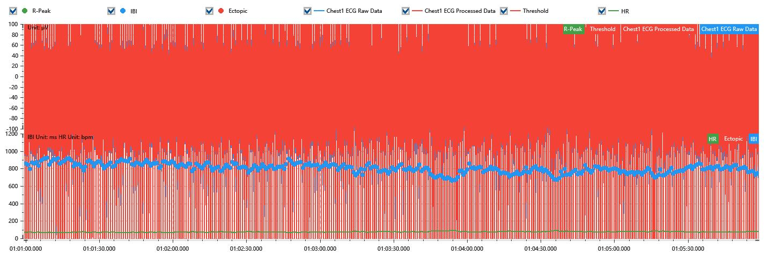

Process parameters
 | Filters
 | Wavlet filter | Enabled | 中
 | Amplitude normalization | Disabled | 中
 | High Pass filter | Enabled | 1μV
 | Band Stop filter | Enabled | 50μV
 | Low Pass filter | Enabled | 100μV
 | Interbeat Interval
 | R-Peak extraction | Maximum heart rate | 120bpm
 | R-Peak extraction | Threshold | 70%
 | Extopic detection | Percent | Disabled | 20%
 | Extopic detection | Median | Enabled | 4(samples)
 | Extopic correction | 中值 | 5(samples)

Time Domain
 | MeanIBI | MeanHR | SDNN | SDANN | RMSSD | SDSD | PNN50 | PNN20 | Data Length
 | 799.54ms | 75bpm | 53.22ms | 0ms | 29.97ms | 30.01ms | 11.26% | 46.65% | 374

Frequency Domain
 | Band | Range | Power | Power Percent | Power Normalized | Peak | Data Length
 | ULF | 0 - 0.0033Hz | 135.07ms² | 6.45% | 0 | 0Hz | 4
 | VLF | 0.0033 - 0.04Hz | 1137.43ms² | 54.31% | 0 | 0Hz | 37
 | LF | 0.04 - 0.15Hz | 474.05ms² | 22.64% | 0.58 | 0.04Hz | 113
 | HF | 0.15 - 0.4Hz | 347.72ms² | 16.6% | 0.42 | 0.27Hz | 256

 | Total Power | 2094.26ms² | LF/HF | 1.36 | VLF/ULF | 0.12
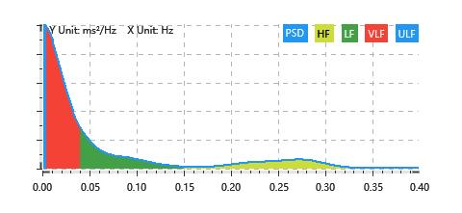

Nonlinear
 | Poincare | SD1 | 21.22ms | SD2 | 72.21ms
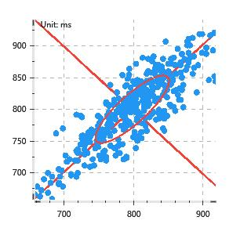

 | Scatter | A++ | 112 | B-- | 74

